Meta Ads for Law Schools
University Name | Degree Name | Landing Page URL | Primary CTA Type: e.g., “Apply Now,” “Learn More,” “Book a Tour,” “Download Guide.” "Open House" | Primary Subject Image Framing: Individual, group, building, classroom, city skyline, campus, etc. | Image Type: Photograph vs. Illustration vs. Abstract Graphic. | Clearly a Stock Photo? | Social Proof? (Awards, Stats, etc.) | Main Claim or Differentiator? | Notes | Screenshot of the Ad
Abraham Lincoln University and ALU School of Law | JD | https://alu.edu/jd-fb-3/ | Learn More | Individual graduate portrait (with two people in background) | Photograph | Likely yes (generic graduation imagery) | No rankings; checklist of program features; price point prominence | Low tuition ($11,375/yr), 100% online, one-course-at-a-time, no LSAT required*
Purdue Global Law School | Juris Doctor (JD) Degree / Executive JD | https://www.purduegloballawschool.edu/online-degrees?source=SF54151&ve=62276&utm_source=facebook&utm_medium=paid&utm_campaign=pgls_all_mix_conversion_23q4_leads&utm_content=pgls_25q1_psp-princeton-review-2025-proud-of-degree-1_image_mix&gclid=CMy4oOn2tZADFbbL8gcd6KwDiQ&gclsrc=ds&gad_source=7 | No CTA on Ad | Small group (2 people) at laptop; split layout with graphic panel | Photograph + graphic badge/text | Unclear (generic office setting; could be staged campus photo) | Yes — The Princeton Review badge “Best Online JD Programs 2025”; claim “Named a Best Online JD Program the past 5 years” | Recognized among best Online JD programs (multi-year recognition) | Strong badge-first creative; pride/credibility angle; no program specifics or deadline shown | 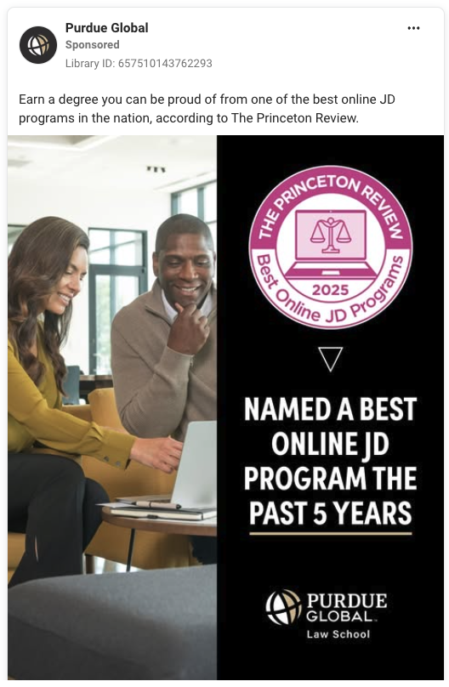
Boston University School of Law | LLM | https://bostonu.zoom.us/webinar/register/9817564722714/WN_glUMMvf3RtyqjCstYZUFLw#/registration | Sign Up | Two students studying in library | Photograph | No (looks like on-campus library shot) | No explicit badges/rankings | Live info session with program leadership + Q&A; highlights “most flexible” LLM | “Sign Up” CTA; multiple versions; event-driven performance focus | 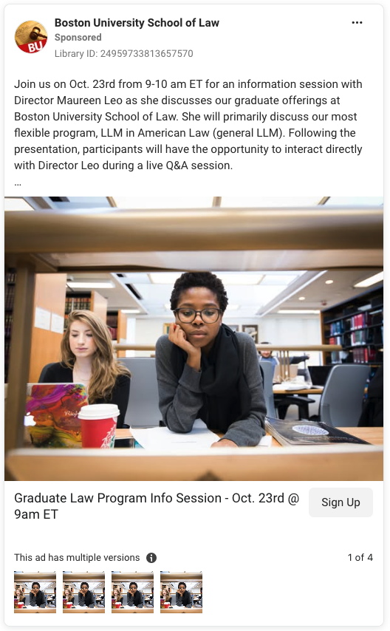
University of Miami School of Law | Not explicitly stated on ad or landing page | https://admissions.law.miami.edu/landing-page/open-house/?utm_source=instagram&utm_medium=social&utm_campaign=jd_success_highlights_open_house_fall_2025&utm_content=graphic | Learn More | Individual student headshot inset within graphic layout | photograph + branded graphic | No (appears to be student testimonial) | Yes — Student quote citing Hague moot court, Human Rights Clinic, DOJ externship | “Unmatched Experiential Opportunities”; strong market/location access | “Powered by Miami Law. Driven by U.”; “Learn More” CTA; event funnel | 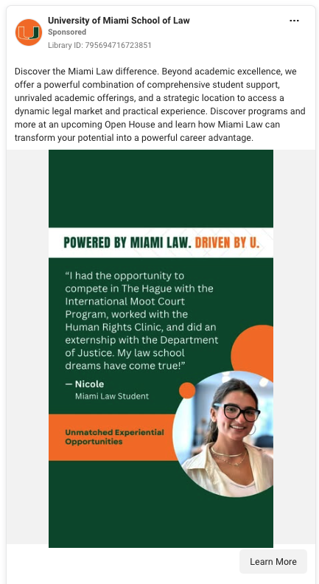
American University Washington School of Law | JD, LLM, MLS, SJD | https://championwhatmatters.com/?utm_source=facebook&utm_medium=paid_social&utm_campaign=visionpoint_auwcl_pros&utm_content=applications-meta | Apply Now | Single student in law building (entrance/lobby) | Video with overlay text | No | Indirect — “top-tier education” claim in copy; school logo watermark | Prepare to shape law/policy at national & global scale; “Practice Internationally” | Story-led overlay (“How has your upbringing…?”); destination: championwhatmatters.com; “Apply now” CTA | 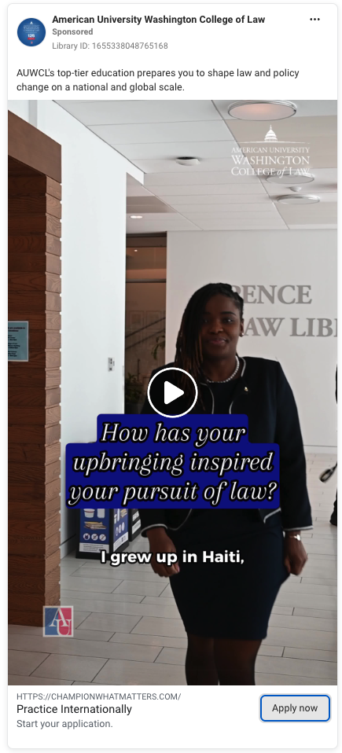
Texas A&M University School of Law | MLS, LLM | https://graduate.law.tamu.edu/apply | Apply Now | Close-up of student; candid classroom/social moment | Video with bold overlay text | No | Yes — “Alumni network of nearly 600,000”; “Top 25 School of Law” | Large alumni network + top-25 positioning | “Apply Now” CTA; career/network value prop | 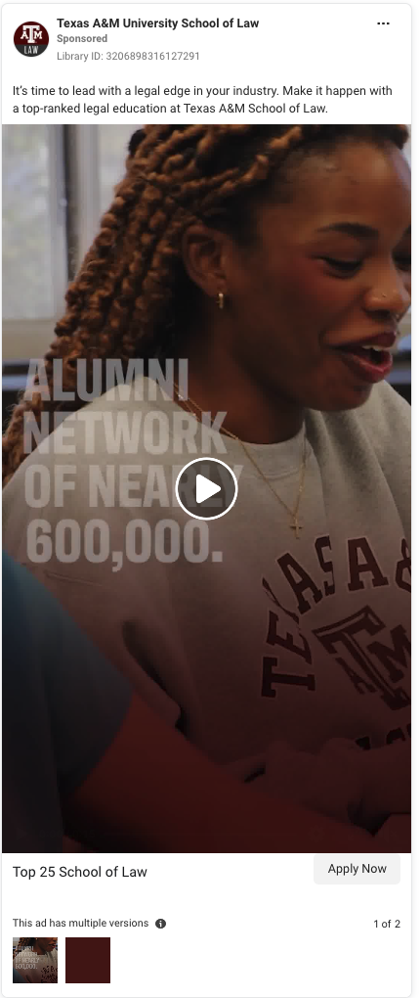
Texas Tech University School of Law | Not explicitly stated on ad or landing page | https://www.depts.ttu.edu/law/admissions/?utm_source=google&utm_medium=cpc&utm_campaign=law_applications | Apply Now | Group of 4 students on campus, full-body posed | Photograph with strong text overlay | No (campus-branded shoot) | Yes — “High Bar Passage Rates” | Affordable, practical, career-focused JD with hands-on clinics | “Apply now” CTA; clear outcomes/price/clinics trio | 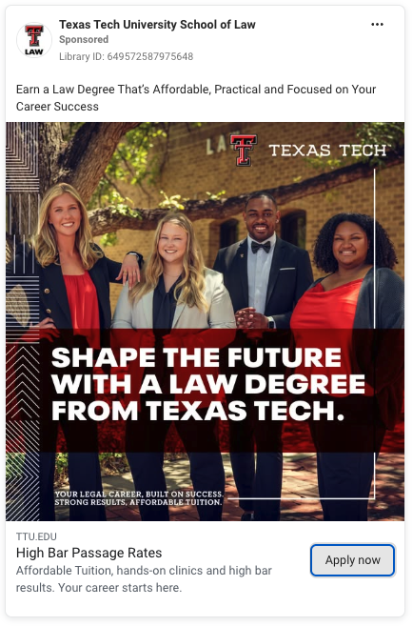
University of Pennsylvania Carey Law School | Continuing Legal Education (CLE) | https://www.law.upenn.edu/academics/legaleducationprograms/continuing-legal-education.php?utm_medium=sponsoredsocial&utm_source=fbig&utm_campaign=lep&utm_content=live | Learn More | No people; sparkler visual with headline | Photograph + graphic headline | Likely yes (generic sparkler image) | Indirect — “Learn from Leading Experts” | CLE courses that “spark curiosity and deliver insight” |  | 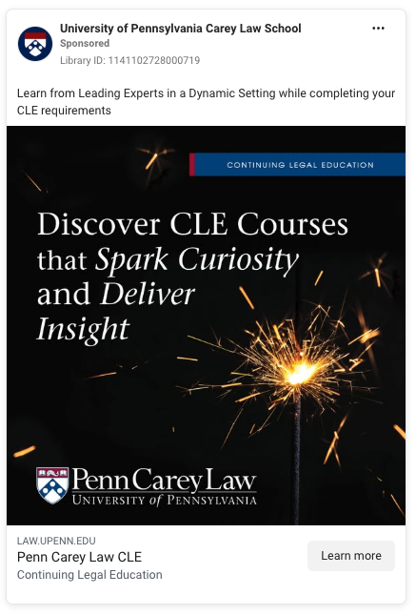
Arizona State University Online | JD | https://start.asuonline.asu.edu/graduate/jd-law/a/?utm_source=facebook&utm_medium=social_paid&utm_content=awareness_lal-cb_graduate-jurisdoctor-prog043&utm_campaign=22-programcb_prospecting_social_paid_nat&utm_ecd22=22&dclid=CNej77f9tZADFdfmlAkdnRQSUQ&gad_source=7 | Learn More | Single faculty portrait (Vice Dean) | Photograph with pull-quote box | No | Yes (authority via faculty quote + “top-ranked” in copy) | Same notable on-campus faculty teach online JD; quality parity | Brand color blocks; credibility via named faculty | 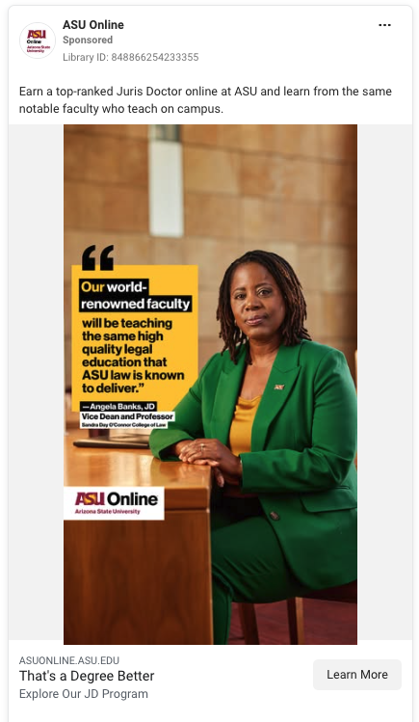
William S. Richardson School of Law | Not explicitly stated on ad or landing page | https://law.hawaii.edu/admissions/connect-with-us-on-the-road/ | Learn More | Scenic landscape/graphic tiles; no people | Graphic over photo backgrounds | Likely yes (generic mountain landscape) | No concrete badges; positioning as “dynamic and community-focused” | Meet the school on a regional tour; connect in the Mountain West | event recruitment; multiple carousel cards | 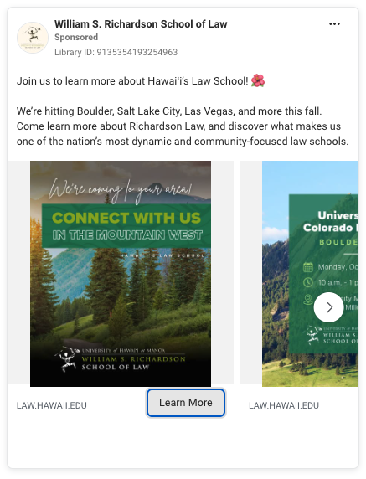
University of Cincinnati College of Law | JD, LLM, MLS | https://law.uc.edu/value.html?utm_source=Facebook&utm_medium=CPC&utm_campaign=Value&utm_term=Interests | Learn More | Single student (portrait) with branded graphic bands | Photograph + graphic text | No (campus-branded) | Yes — “Best Value Law School” (preLaw Magazine) | Lower debt/value-focused JD; deadline urgency | Pain-point hook (student loans) | 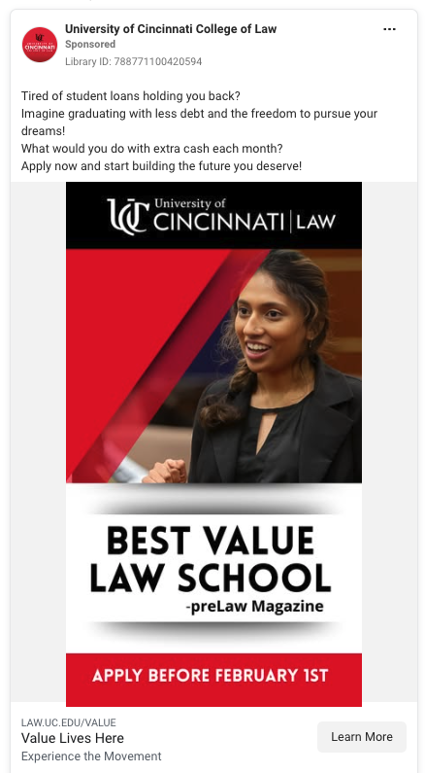
USC Gould School of Law | LLM | https://gould.usc.edu/academics/degrees/online-llm/ | Learn More | Campus landmark (sculpture/tower) + large headline | Photograph + graphic panel | No (campus asset) | No explicit badges; “for international lawyers” qualifier | Online, part-time, flexible LLM tailored to international lawyers | benefits stacked in panel | 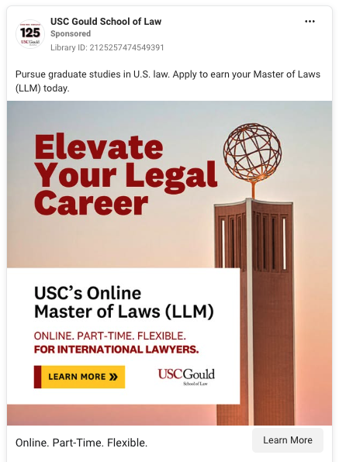
Vermont Law and Graduate School | JD | https://go.vermontlaw.edu/jd-vlgs?utm_source=facebook&utm_medium=paid&utm_campaign=CID-27402_VLS_FY26-RTG_Social-Meta_Ads-Platform_Multi-Tactic | Apply Now | Graduates portrait; second card group of students | Photographs with ranking badge overlays | No | Yes — U.S. News badges (“Best Grad Schools,” Top 4 Environmental Law) | On-campus or online options; Environmental Law strength |  | 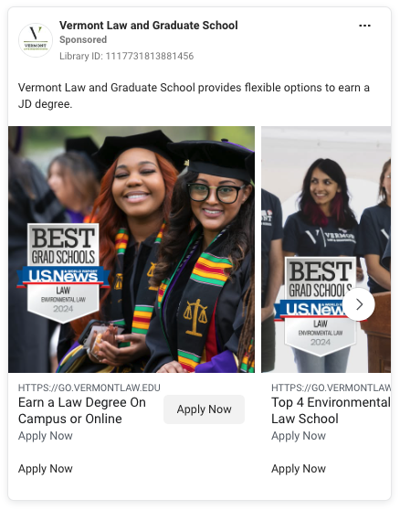
Trinity Law School | JD | https://www.tiu.edu/law/jd17/?utm_source=archer-facebook-jd-core&utm_campaign=aet-v1-%7B%7Bcampaign.id%7D%7D | Learn More | Single student portrait with large headline | Photograph + graphic | No | No rankings; program distinctives listed (biblical perspective) | Faith-based legal education; online/on-campus/hybrid; bar-prep oriented | Bold headline “Passion for Justice?” | 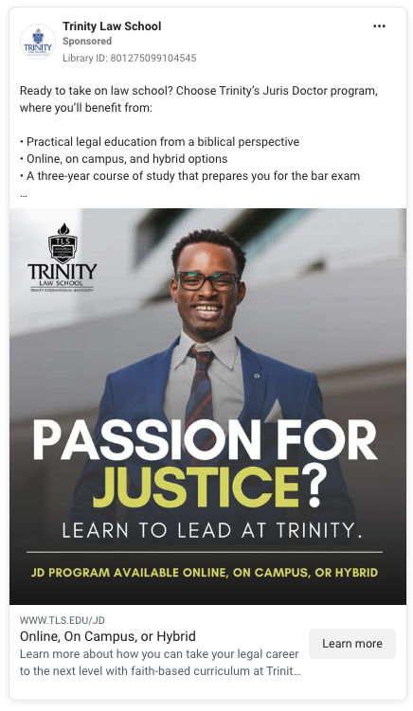
UC Berkeley School of Law | Executive education (no degree mentioned in ad or on landing page) | https://mailchi.mp/law.berkeley.edu/lawandai | Learn More | Abstract tech graphic over suited figure (hand + hologram) | Video/animated graphic | Yes | Indirect — “world-class” executive education brand | Professional development to power Law & AI; mitigate AI disruption
University of Oklahoma College of Law | JD | https://law.ou.edu/jd/admissions?utm_source=facebook&utm_medium=psp&utm_campaign=capture-gr-psp-apply-33454-ou-law | Apply Now | Two students seated outdoors on campus | Photograph with headline overlay | No | No badges; customization via certificates | Tailored JD with certificates (Intl/Energy/Business Law, etc.) | personalization emphasis | 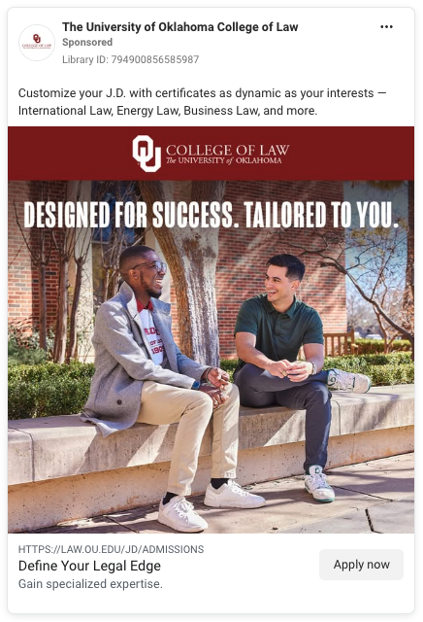
Liberty University School of Law | JD | https://www.liberty.edu/christian-law-school/?acode=R00581&utm_source=facebook&utm_medium=paid&utm_campaign=LU_Digital_Law_%7B%7Bcampaign.name%7D%7D&utm_content=%7B%7Bad.name%7D%7D&utm_term=%7B%7Badset.name%7D%7D&aud_id=fb_%7B%7Badset.id%7D%7D&fb_ad_id=%7B%7Bad.id%7D%7D&fb_platform=%7B%7Bsite_source_name%7D%7D_%7B%7Bplacement%7D%7D | Learn More | Card 1: stat graphic + students; Card 2: classroom scene | Photographs with heavy stat overlays | No | Yes — 88.52% nationwide on most recent Ultimate Bar Passage rate (2022); “Most Devout” note (preLaw) | Bar passage performance + faith identity | values + outcomes blend | 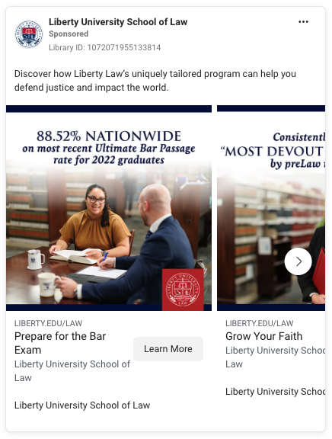
Albany Law | Flex JD | https://www.albanylaw.edu/flex?utm_source=facebook&utm_medium=paid&utm_campaign=CID-26773_ALS_FY26-JD-Flex-3P_Social-Meta_Ads-Platform_Multi-Tactic&gclid=CK2Yp-2EtpADFYs3iAkdoxca3g&gclsrc=ds&gad_source=7&gad_campaignid=21858139182 | Learn More | Logo/wordmark centered; no people | Video (simple motion) / graphic | No (brand asset) | No badges; “top faculty” noted in copy | Flexible JD you can earn from anywhere | Minimalist creative | 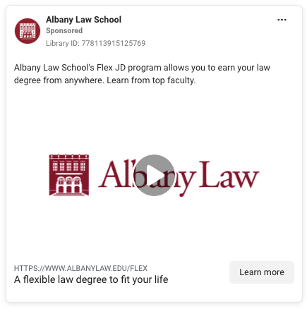
George Washington University School of Law | MSL | https://www.law.gwu.edu/msl | Learn More | Two professionals reviewing a tablet (indoor) | Photograph + branded text panel | Unclear (could be staged campus shoot; generic office look) | Indirect — “national security and foreign relations experts” | Online & flexible; taught by national security/foreign relations experts |  | 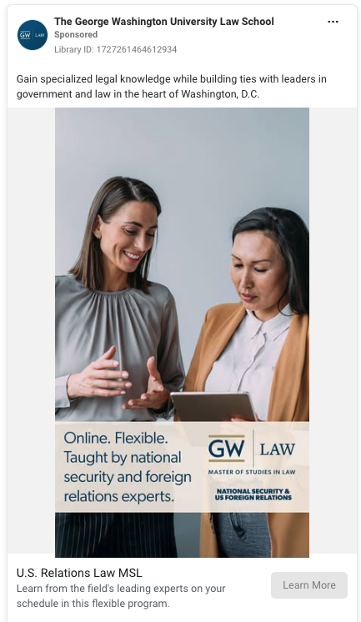
USC Joseph F. Rice School of Law | Post-bachelor’s Environmental Law and Sustainability Certificate | https://sc.edu/study/majors_and_degrees/environmental-law-and-sustainability-certificate.php?utm_source=paid_social&utm_medium=meta&utm_content&utm_campaign=environmentallaw2024 | Learn More | No faces; torso of hard-hat professional + desk with plans/laptop (split layout with headline panel) | Photograph + graphic headline | Likely yes (generic construction/engineering scene) | None | Become an expert in Environmental Law & Sustainability (certificate) | Big headline “SUSTAINABILTY FOR A BETTER TOMORROW” appears to have a typo (“SUSTAINABILTY” missing an “I”); “Visit our website!” CTA in creative. | 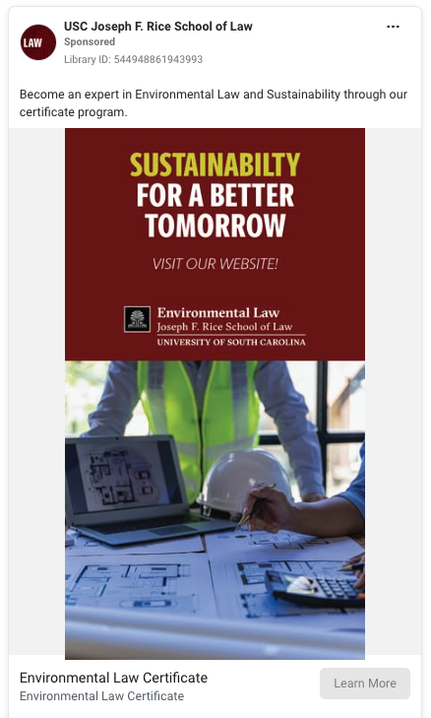
Western State College of Law | MLS | https://www.wsulaw.edu/learn-%20more/law/mls/?utm_source=facebookads&amp%3Butm_tfn=tfn&amp%3Butm_medium=paid_social&amp%3Butm_+campaign=mls_program&amp%3Butm_referringurl=referringurl | Apply Now | Small group of professionals walking from building interior | Photograph with large text panel | Unclear (could be campus shoot; looks like stock lifestyle) | Indirect — “ABA-approved” bullet | 100% online MLS with specialization in Healthcare Compliance; designed for working pros | Benefit bullets; “Apply Now” CTA block in-creative + platform CTA. | 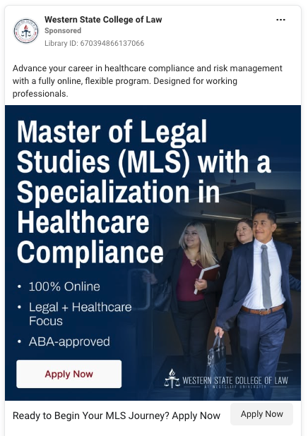
UC Law San Francisco | MLS | https://mls.uclawsf.edu/thanks/?ace_campaign=paid_social_prospecting_facebook_form&cid=1964&utm_source=facebook&utm_medium=ppc&utm_campaign=%7B%7Bcampaign.name%7D%7D&.adgroup=%7B%7Badset.name%7D%7D&utm_content=%7B%7Bad.name%7D%7D&mkwid=social_pcrid_%7B%7Bad.id%7D%7D | Learn More | Single student reaching for book in library aisle | Photograph + branded text panel | No (campus library look) | None | No GRE; fully online or hybrid; “Build legal knowledge that moves you forward” | “Download a Brochure Now / Learn More” funnel language
Vanderbilt Law School | MLS | https://law.vanderbilt.edu/master-legal-studies/thanks/?ace_campaign=paid_social_retargeting_facebook_form&cid=1964&utm_source=facebook&utm_medium=display&utm_campaign=%7B%7Bcampaign.name%7D%7D&.adgroup=%7B%7Badset.name%7D%7D&utm_content=%7B%7Bad.name%7D%7D&mkwid=social_pcrid_%7B%7Bad.id%7D%7D | Learn More | Group of graduates in regalia; one subject foregrounded | Photograph with headline overlay | No (graduation/campus shoot) | Indirect — “World-Class” wording; no badge shown | Online legal education for non-lawyers on your schedule | prestige/brand-forward angle
Cardozo Law | MSL | https://go.yu.edu/cardozo/msl-online | Learn More | Two professionals with NYC skyline background | Photograph + graphic text panel | Unclear (staged/professional campus shoot) | Yes — “Top 5 Law School in New York”; “Nationally Renowned Legal Scholars” | Online M.S.L. for non-lawyers/HR; complete in just over 1.5 years | city/location cue reinforces NYC | 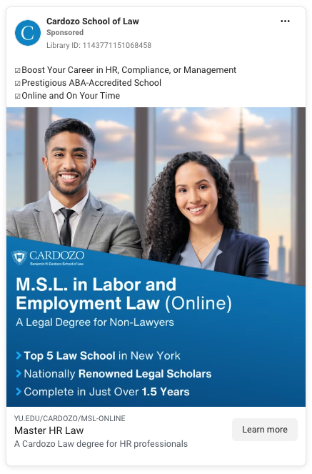
University of New Hampshire Franklin Pierce School of Law | Hybrid JD | https://law.unh.edu/academics/hybrid-jd | Learn More | Graphic-heavy tile; faint background of students/lecture | Graphic over photo | Possibly (background is generic) | No explicit badges | Earn a JD in IP or Life Sciences Law “wherever you are” (hybrid, flexible) | Strong niche positioning (IP/Life Sciences); “Explore” button in-creative + platform CTA | 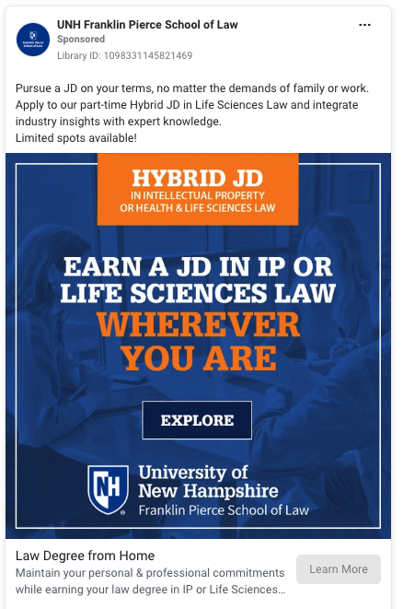
Taft Law School | JD | https://taftu.edu/request-information/ | Learn More | Title card with moving background UI/tech visuals | Video (animated text over stock-style footage) | Likely yes (generic digital background) | No explicit badges | “Earn Your Juris Doctor 100% Online”; two study formats; affordability emphasized in copy | flexible schedule value prop
Villanova University Charles Widger School of Law | JD | https://www1.villanova.edu/university/law/sites/law-admissions.html?utm_medium=social&utm_source=meta&utm_campaign=vu_law_fy26_meta_image | Learn More | Small group lounge scene; one student foregrounded in Villanova Law sweatshirt | Photograph + branded lower panel | No | No explicit badges | In-house clinics, PD programs, externships (skills-forward JD) | Clean brand panel “EARN YOUR JD” + “LEARN MORE” button in-creative. | 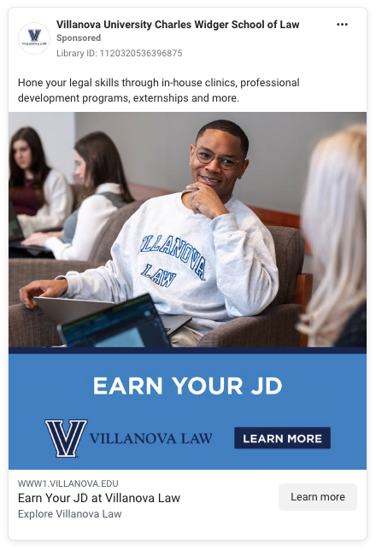
King's College London | LLM | https://online.kcl.ac.uk/online-masters/digital-law-llm | Sign Up | Two students at desk; large graphic header | Photograph + graphic panel | Unclear (could be KCL shoot; generic classroom look) | Indirect — delivered by Dickson Poon School of Law (prestige) | 100% online LLM covering AI regulation, data protection, digital platforms; Jan 2026 start | International program; “Sign up” CTA; timeline-driven urgency
The Colleges of Law | Hybrid JD | https://www.collegesoflaw.edu/learn-hybrid-jd/ | Learn More | Single graduate testimonial (speaking to camera) | Video | No | Yes — Alumni/graduate testimonial with text overlay in lower-third | Hybrid JD with skills-focused weekend residency once per month; accessibility | location called out (Pasadena) in headline under card | 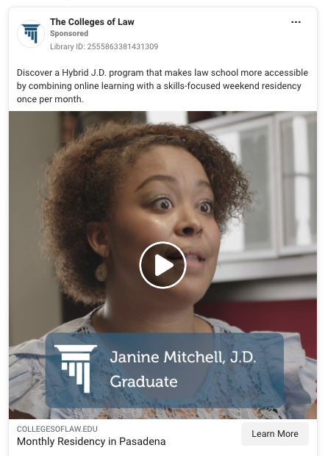
St. Francis School of Law | JD | https://bakerrx.my.salesforce-sites.com/EventListing/apex/ERx_Forms__PageMaker?pageId=StFranicsOpenHouse&eventId=701S600000ZVBzAIAX | Sign Up | Single student at laptop; split layout with large text panel | Photograph + graphic headline | Unclear (generic study scene; could be stock) | No explicit badges/stats | Achieve your law degree online; info session to meet faculty | “Register Now!” badge in-creative; event-driven CTA (“Sign Up”)
Cooley Law School | Not explicitly stated on ad or landing page | https://info.cooley.edu/campus-visit | Learn More | City/campus/location shots; no people | Photographs (landmarks/buildings/waterfront) | Likely no (campus/city photography) | No | Schedule a visit; two campus options (Lansing/Tampa) | Local-experience angle; “Learn More” + “Schedule a Visit” CTAs | 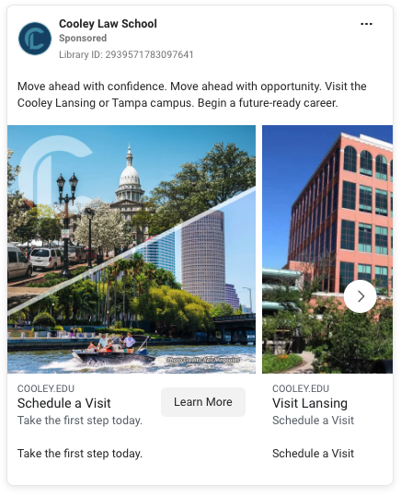
Florida State University College of Law | JM | https://fsulawandbusiness.com/jurismaster/?utm_source=facebook&utm_medium=paidsocial&utm_campaign=jm25&utm_content=masters&fbclid=IwY2xjawK_0HVleHRuA2FlbQIxMABicmlkETFrQzhRcHhiaDFpR1pOMExUAR5FJXUk3DFF0d6Nd2xJ7W50V-Ra--omrOLnkdlESR1Mjlr_untZArAi_sMSjA_aem_CB-NV5h3G3_KmeZ7Asifiw | Learn More | Graduate in regalia on campus (talking-head + overlay text) | Video | No | Indirect—“top-ranked” faculty/education mentioned in copy | 100% online law degree for non-lawyers; flexible for working pros |  | 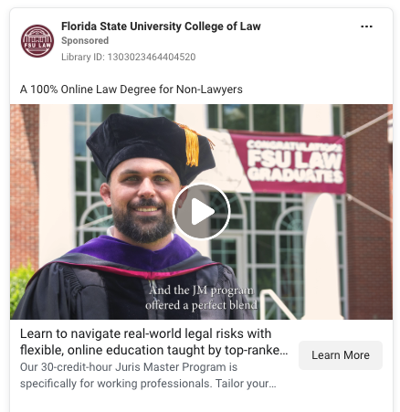
Widener University Commonwealth School of Law | Not explicitly stated on ad or landing page | https://commonwealthlaw.widener.edu/prospective-students/why-widener/?utm_source=facebook&utm_medium=cpc&utm_campaign=lead-form | Learn More | Aerial/city/river campus B-roll with logo | Video | No (campus/location footage) | Yes — preLaw Magazine “#1 ranked law school for job placement” claim | Job placement ranking; program variety to fit the student | credibility-led pitch | 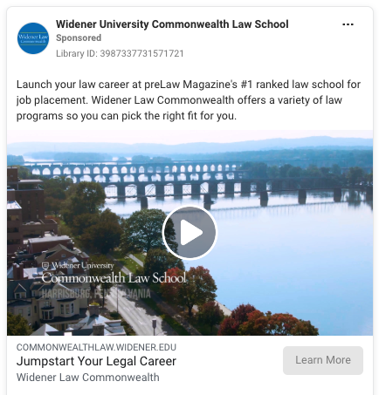
California Western School of Law | JD | https://www.cwsl.edu/academics/juris_doctor_jd_program/index.html?utm_source=MFDigi&utm_medium=Instagram&utm_campaign=FY24AdSet4 | Learn More | Two students in courtroom setting (posed) | Photograph + bold text panel | No (campus courtroom shoot) | No badges; location advantage noted in copy | Transform your future; join next JD class; San Diego/location value | outcomes/location angle | 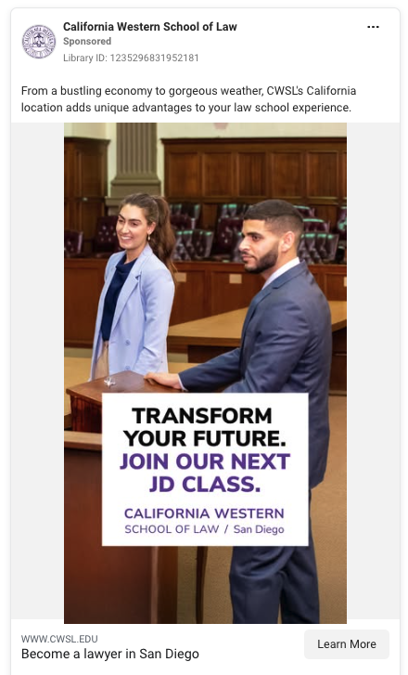
Atlanta's John Marshall Law School | JD | https://www.johnmarshall.edu/get-more-info-fb | Learn More | Graduation moment (crowd) + large branded color block | Photograph + graphic panel | No (school event photo) | No badges/stats | Earn your law degree in Downtown Atlanta; invest in your future | Location-centric messaging | 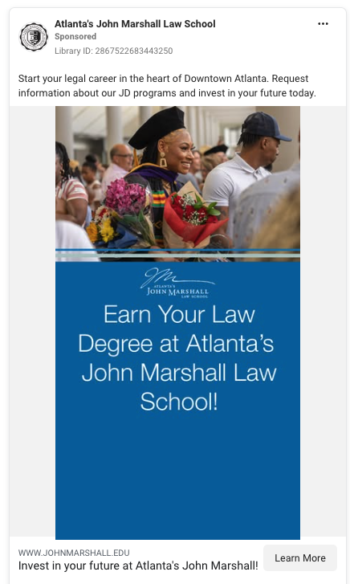
Roger Williams University School of Law | JD | https://law.rwu.edu/youve-found-your-law-school?utm_source=instagram&utm_medium=paid&utm_campaign=CID-26358_RWU_FY26-1P_Social-Meta_Ads-Platform_Multi-Tactic | Learn More | Single student in courtroom, power pose at counsel table | Photograph | No | No badges; experiential list (pro bono, clinic, externships) in copy | “JD with a mission” + hands-on experiences; Changemaker positioning | Strong visual authority | 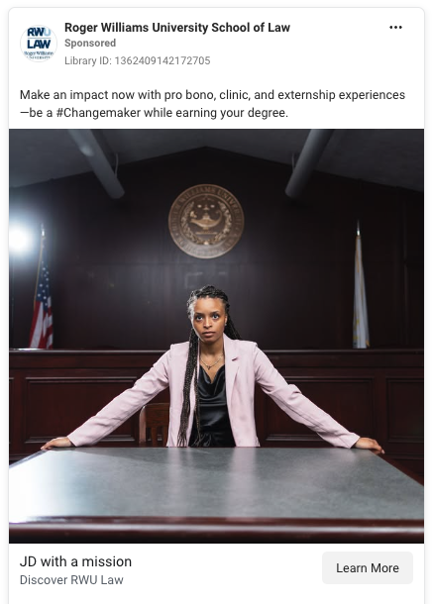
Mitchell Hamline School of Law | JD | https://mitchellhamline.edu/admission/?utm_source=startribune&utm_medium=social&utm_campaign=adv_facebook | Apply Now | Campus/student life scenes; multiple cards | Photographs with branded headline/footer | No | Tagline-style credibility (“Trusted. Respected.”); no third-party badge | Flexible pathways; “Where all paths lead to practice” | “Apply Now” CTA on card; practice-readiness theme | 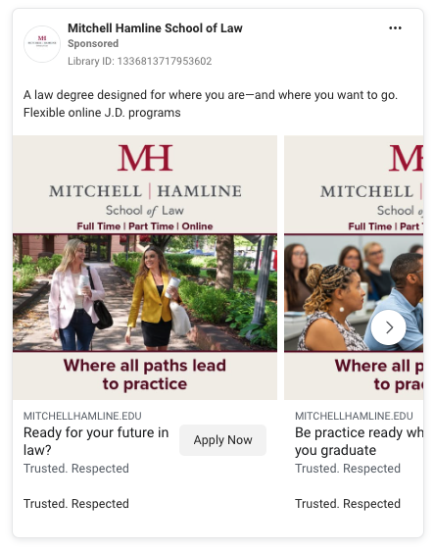
St. Mary's University School of Law | MLS | https://law.stmarytx.edu/academics/programs/master-of-legal-studies/?utm_source=FacebookLeadGenForm&utm_content=MFDigi | Learn More | Single subject in library with large text panel | Photograph + graphic overlay | Unclear (could be staged campus shot) | No badges; admissions ease claims (No GRE/LSAT/GMAT) | Legal expertise for working professionals; test waivers | leadership/ethics emphasis in copy
Creighton University School of Law | JD | https://www.creighton.edu/law/admissions | Learn More | Exterior building shot; slow pan/drone | Video | No | Indirect — “nationally respected education” | Personal mentorship + connections to launch a career | brand/experience highlight | 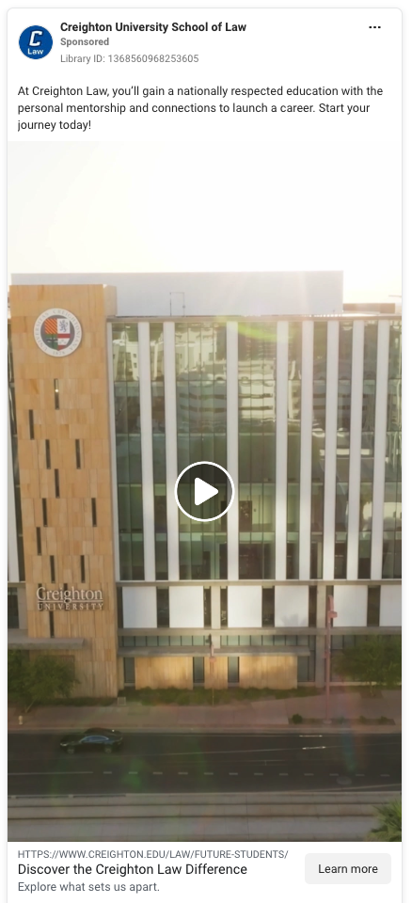
South Texas College of Law Houston | JD | https://www.stcl.edu/admissions/?utm_source=facebook#038;utm_medium=mfdigi&#038;utm_campaigndisplay=fy25adset5 | Learn More | Single student/speaker at courtroom podium (lecture hall) | Photograph with logo | No | No explicit badges/stats | Houston location advantage; “right place to start your career” | “Study in the heart of Texas” | 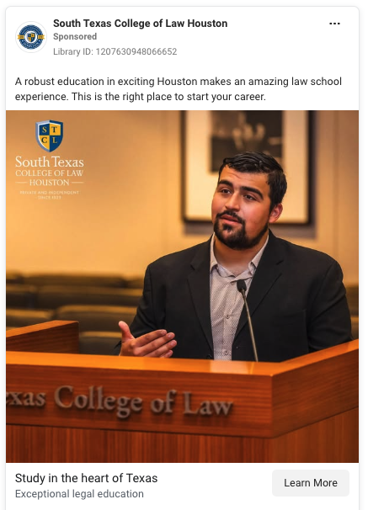
Chapman University Fowler School of Law | JD | https://www.chapman.edu/law/academic-programs/juris-doctor-degree.aspx?utm_source=carnegie-digital&utm_medium=paid-social&utm_campaign=fsol-jd+%7B%7Bcampaign.id%7D%7D&utm_term=%7B%7Bsite_source_name%7D%7D&utm_content=lead-gen | Learn More | Single student studying; monochrome brand overlay with big text | Video with text overlay | No | No | Bar-prep support (mock exams, personalized feedback) | “Request more info” language prominent | 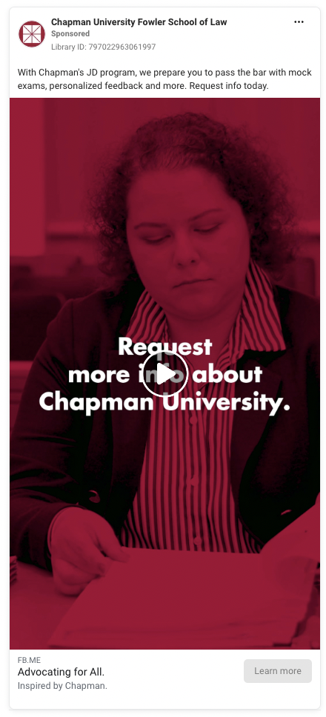
University of Nebraska College of Law | Not explicitly stated on ad | https://law.unl.edu/prospective/?utm_source=facebook&utm_medium=paid-social&utm_campaign=ms_oct | Learn More | Single student at home (morning routine) | Video (day-in-the-life) | No | No | Realistic look at “Day in the Life as a Summer Law Clerk” | Informal TikTok/Reels vibe; awareness/engagement play | 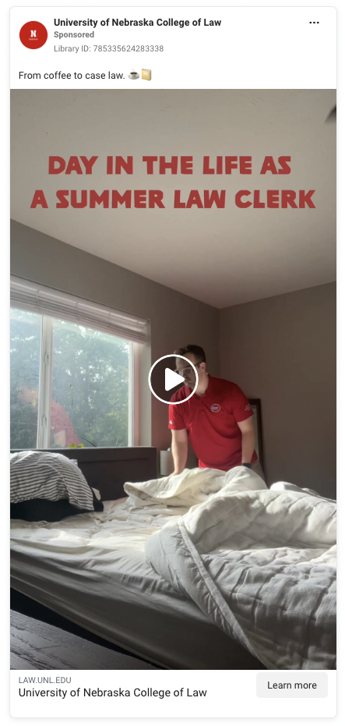
Drexel University Thomas R. Kline School of Law | MLS | https://legalstudies.drexel.edu/ | Learn More | No people; deadline-forward graphic panel | Graphic | No | Yes — Princeton Review “Best Online MSL Programs for 2024” (in copy) | 100% online; full- or part-time; deadline urgency | “Apply Now” button in-creative + Learn More CTA | 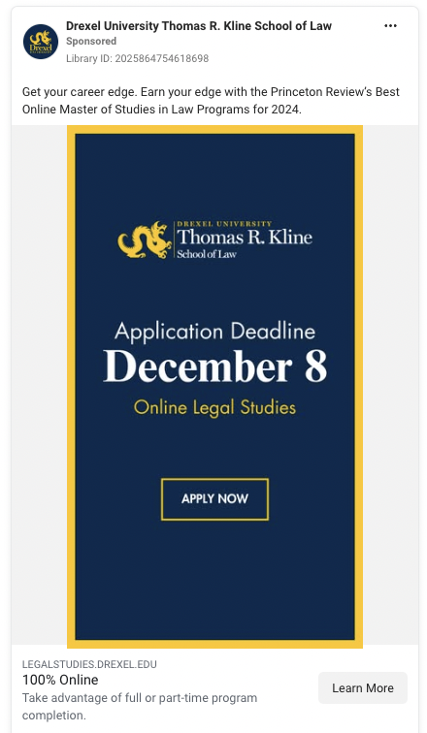
University of San Diego School of Law Paralegal Program | Paralegal certificate | https://www.sandiego.edu/law/academics/paralegal/request-info.php | Interested | Campus building exterior (USD Legal Research Center) | Photograph | No | Yes — ABA-Approved Paralegal Program (in copy) | All courses delivered remotely; Spring 2026 apps open; free virtual info session | “Interested” event toggle; RSVP link in copy | 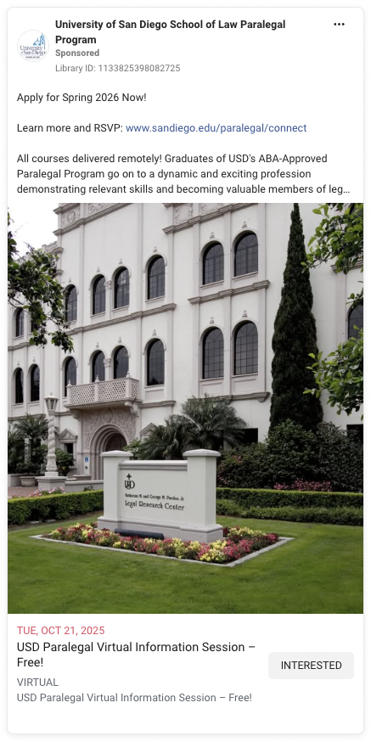
University of Missouri-Kansas City School of Law | Not explicitly stated on ad | https://www.law.umkc.edu/ | Learn More | Building exterior at sunset + large stat panel | Photograph + graphic text | No | Yes — National Jurist “22nd Best-Value Law School”; copy lists 98.6% scholarships, 20% less debt vs. national avg, 96.8% employment (Class of 2024) | Value + outcomes (scholarships, lower debt, high employment) | heavy stat-led creative | 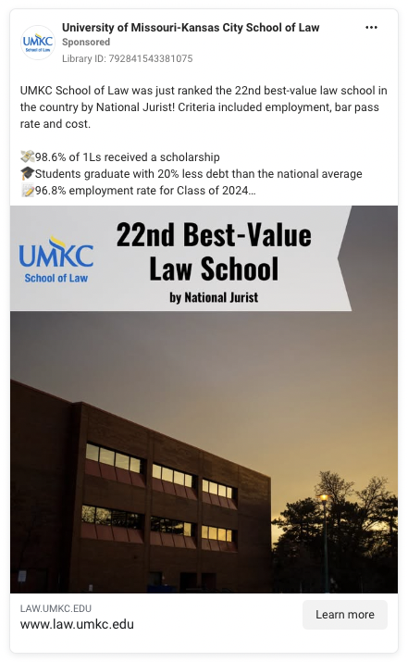
Wayne State University | Not explicitly stated on ad | https://law.wayne.edu/admissions?utm_source=instagram&utm_medium=FY26AdSet1Become&utm_campaign=LSACUploadList |  | Two students in conversation (one foregrounded) | Photograph with headline box | No | No third-party badges; experiential offerings in copy | Detroit-based clinics, externships, orgs, pro bono; “Become the lawyer you want to be” | Apply today prompt
University of Maryland Francis King Carey School of Law | MSL | https://www.law.umaryland.edu/academics/ms-in-law-program/?utm_campaign=nn-fy25-maryland-carey-law-enrollment-campaign&utm_source=facebook&utm_medium=paid_video&utm_content=846493 | Learn More | Small group in conversation in law building | Video | No | No external badge; admissions ease (No GRE/GMAT/LSAT) | 100% online, part-time degree designed for working adults | “Earn Your MS Law 100% Online” headline | 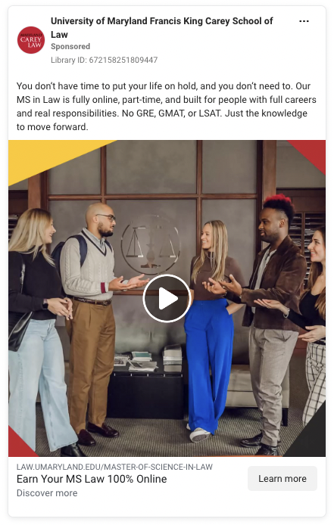
Columbia Law School | LLM | https://learnmoreellm.law.columbia.edu/?utm_source=fb-ig&utm_medium=cpc&utm_campaign=grad | Learn More | Full-screen typographic question panel; no people | Video (animated text/brand panels) | No | Indirect—elite brand; no third-party badge shown | Executive LL.M. with global business law + practice; “Earn your degree in less time” | leadership/career advancement angle
Arizona State University Sandra Day O'Connor College of Law | JD | https://law.asu.edu/newsroom/asu-law-talks/can-i-earn-juris-doctor-part-time-and-online | Learn More | Composite — podcast/series branding + trio of students (cutouts) | Graphic + photo | No | No external badge; institutional claim about “nation’s first mission-based, part-time & fully online JD” | Accessible, mission-based JD option for working pros and underserved communities | Content-marketing format (ASU Law Talks) driving to program awareness | 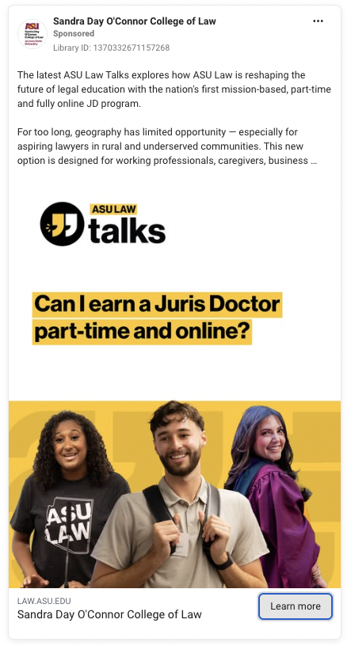
University of Florida Levin College of Law | MSL | https://www.law.ufl.edu/academics/degree-programs/master-of-studies-in-law-program?utm_source=Facebook&utm_medium=LeadGen&utm_campaign=FY26AdSet1&utm_id=MFDigi | Learn More | Single professional (smiling) at laptop; office setting | Photograph with branded text panel | Unclear (generic office look; could be stock or staged campus shoot) | No explicit badges/stats | “New online legal master’s for working professionals” from a leading U.S. law school | UF Law brand lockup + “Master of Studies in Law” badge | 